API and Page Performance module
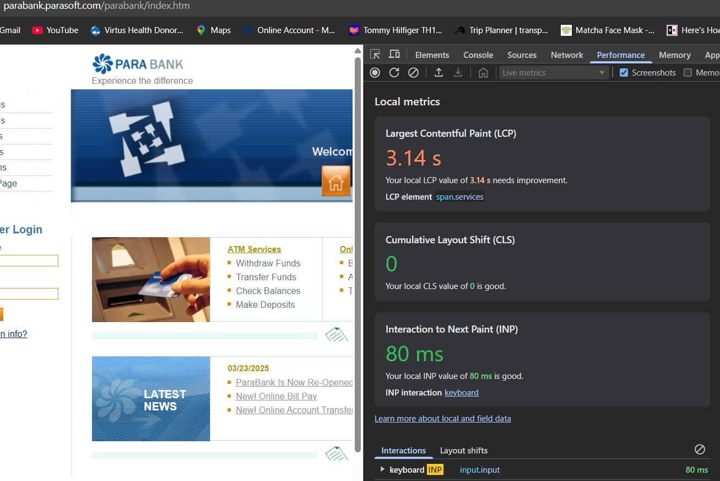
Test Scenario | Test Case ID# | Test Case Description | Test Steps | Test Data | Expected Results | Actual Results | Pass/Fail
Verify ParaBank API status code, response time and TTFB | TC18 | Verify that the GET Customer Account API returns a correct status code and meets response time and Time To First Byte (TTFB) criteria | 1. Open Postman and enter ParaBank API URL (https://parabank.parasoft.com/parabank/api-docs/index.html#/Accounts/getAccounts) 2. Send a GET request 3. Note the status code, response time and TTFB |  | Status Code: 200 OK Response Time: ≤1s TTFB: ≤600ms | Status Code: 200 OK Response Time: 956 ms TTFB: 628.28 ms | Pass
 | TC19 | Verify that the GET Customer Details API returns a correct status code and meets response time and Time To First Byte (TTFB) criteria | 1. Open Postman and enter ParaBank API URL (https://parabank.parasoft.com/parabank/api-docs/index.html#/Customers/getCustomer) 2. Send a GET request 3. Note the status code, response time and TTFB |  | Status Code: 200 OK Response Time: ≤1s TTFB: ≤600ms | Status Code: 200 OK Response Time: 729 ms TTFB: 689.13 ms | Pass
 | TC20 | Verify that the GET the list of Transactions for the Account API returns a correct status code and meets response time and Time To First Byte (TTFB) criteria | 1. Open Postman and enter ParaBank API URL (https://parabank.parasoft.com/parabank/api-docs/index.html#/Accounts/getTransactions) 2. Send a GET request 3. Note the status code, response time and TTFB |  | Status Code: 200 OK Response Time: ≤1s TTFB: ≤600ms | Status Code: 200 OK Response Time: 603 ms TTFB: 573.81 ms | Pass
 | TC21 | Verify that the GET Transactions By To From Date API returns a correct status code and meets response time and Time To First Byte (TTFB) criteria | 1. Open Postman and enter ParaBank API URL (https://parabank.parasoft.com/parabank/api-docs/index.html#/Accounts/getTransactionsByToFromDate) 2. Send a GET request 3. Note the status code, response time and TTFB |  | Status Code: 200 OK Response Time: ≤1s TTFB: ≤600ms | Status Code: 200 OK Response Time: 1.2 s TTFB: 1.18 s | Fail
 | TC22 | Verify that the POST Accounts pay bill API returns a correct status code and meets response time and Time To First Byte (TTFB) criteria | 1. Open Postman and enter ParaBank API URL (https://parabank.parasoft.com/parabank/api-docs/index.html#/Accounts/billPay) 2. Send a POST request 3. Note the status code, response time and TTFB |  | Status Code: 200 OK Response Time: ≤1s TTFB: ≤600ms | Status Code: 200 OK Response Time: 3.11 s TTFB: 3.09 s | Fail
Verify ParaBank site Loadspeed test | TC23 | Verify that ParaBank site's Largest Contentful Paint (LCP) , Cumulative Layout Shift (CLS), Total Blocking Time (TBT) and Interaction to Next Paint (INP) meet the criteria | 1. Go to site https://parabank.parasoft.com/parabank/index.htm 2. Open DevTools (F12) and go to Lighthouse option 3. Note the LCP, CLS, TBT and INP |  | LCP: ≤ 2.5 s CLS: ≤ 0.1 TBT: ≤ 200 ms INP: ≤ 200 ms | LCP: 0.5 s CLS: 0 TBT: 160 ms INP: 80 ms | Pass

 |  |  |  |  |  |  |  | https://parabank.parasoft.com/parabank/api-docs/index.html

